Sheet1
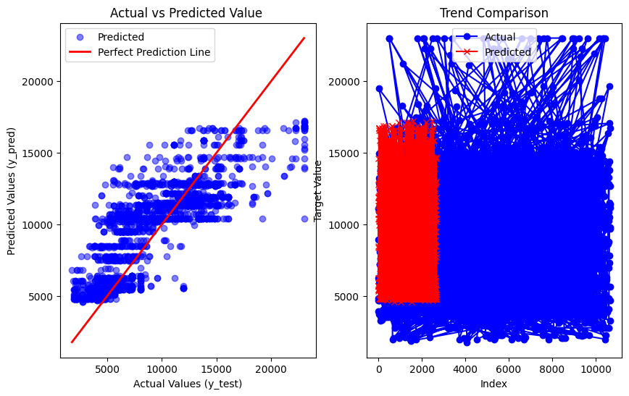
Algorithms&Report(Airline Dataset, after removing the outliers)

Linear Regression | SVM Regressor | KNN

R2 score : 0.3166643063285306 mean_absolute_error : 1978.0808028029983 root_mean_squared_error : 2723.8431441668695 mean_squared_error : 7419321.474024858 | R2 score : -439524553.4597794 mean_absolute_error : 3572.519021637961 root_mean_squared_error : 4364.216457897384 mean_squared_error : 19046385.29138239 | R2 score : 0.45096544276240647 mean_absolute_error : 1778.4566828903032 root_mean_squared_error : 2638.4034380746584 mean_squared_error : 6961172.702044178

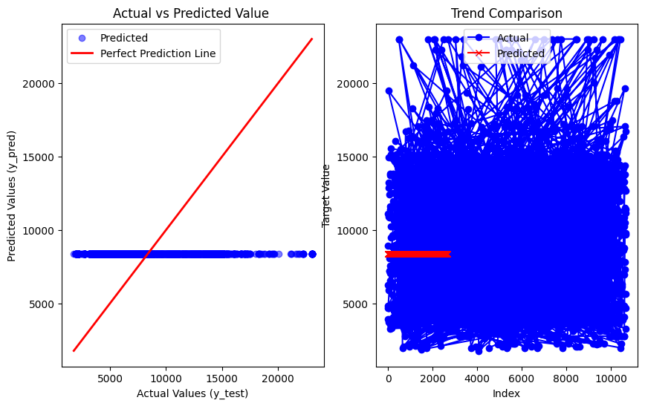
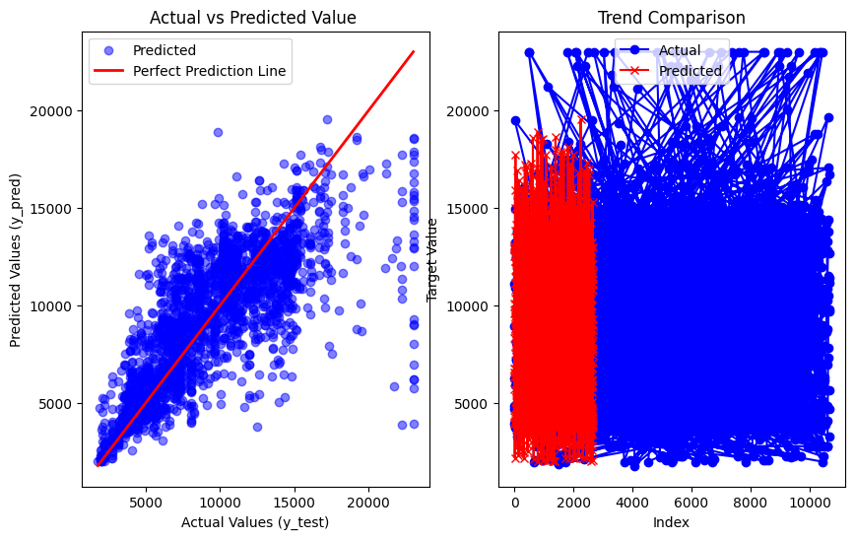
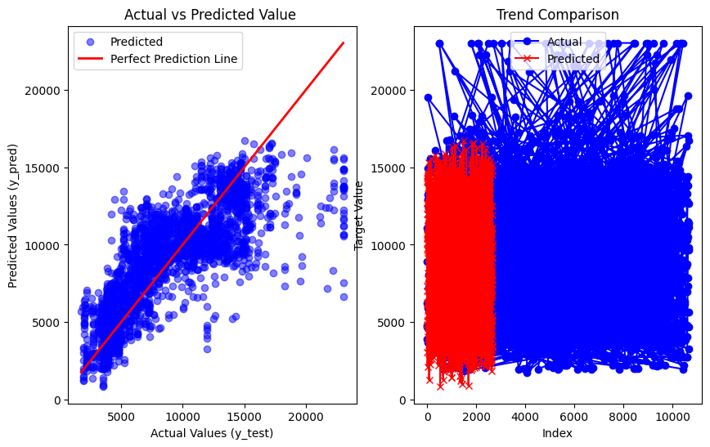

Gradient Boost | Random forest regressor | Decision Tree regressor

R2 score : 0.7510662744724415 mean_absolute_error : 1274.524131900777 root_mean_squared_error : 1857.2861308064541 mean_squared_error : 3449511.771686009 | R2 score : 0.9071265656297421 mean_absolute_error : 650.3568395776506 root_mean_squared_error : 1271.3974526041077 mean_squared_error : 1616451.4824882145 | R2 score : 0.8642530005356409 mean_absolute_error : 732.4145139148883 root_mean_squared_error : 1608.9873665958514 mean_squared_error : 2588840.3458650527

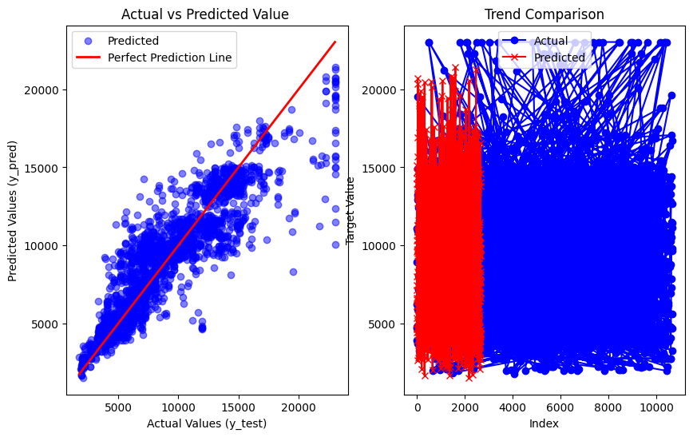
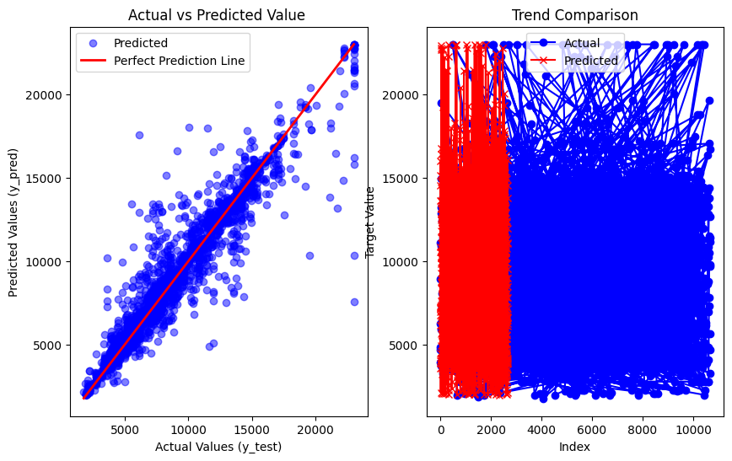
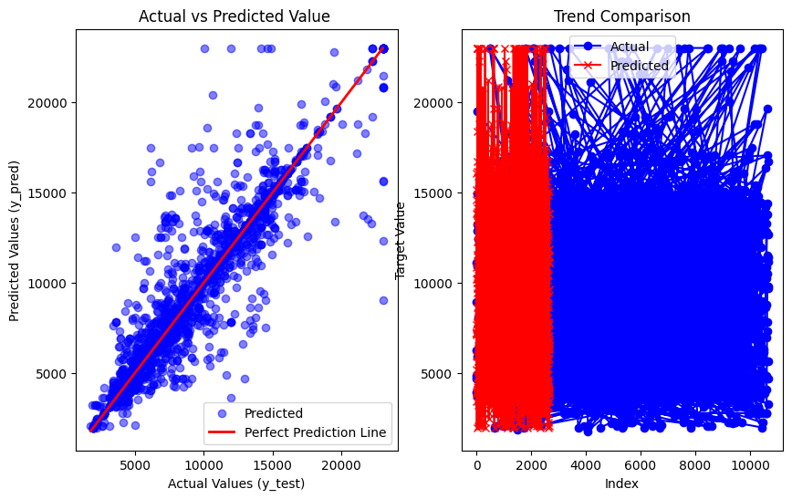

Adaboost regression

R2 score : 0.35031887711627296 mean_absolute_error : 2010.4243062300318 root_mean_squared_error : 2537.092541752599 mean_squared_error : 6436838.565416664

